Sheet1
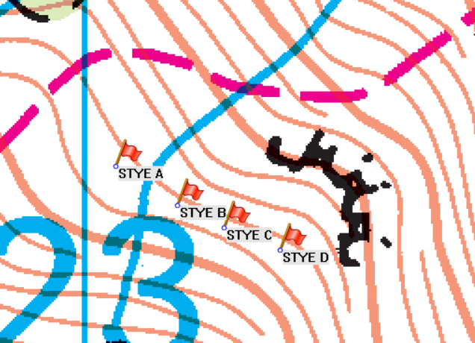
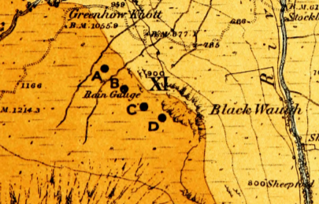
Location | Old station number | New station number | Grid Reference | Number of decades | 1860s | 1870s | 1880s | 1890s | 1900s | 1910s | 1920s | 1930s | 1940s | 1950s
THE STYE A | 3626/1 | 529428 | NY2303710751 | 2+3 |  |  |  | TYRain_1890-1899_18_pt1 – page 198 | TYRain_1900-1909_23_pt1 - page 179 |  |  | TYRain_1931-1940_20_pt1 – page 275 | TYRain_1941-1950_23_pt1 – page 191 | TYRain_1951-1960_21_pt1 – page 33
THE STYE B (old gauge) | 3625 |  | NY2309910712 | 3+2 | TYRain_1860-1869_06_pt1 – page 11 | TYRain_1870-1879_09_pt3 – page 13 | TYRain_1880-1889_12_pt1 – page 42 |  |  |  | TYRain_1920-1930_25_pt1 – page 35 | TYRain_1931-1940_20_pt1 – page 273
THE STYE B (new gauge from 1886) | 3626 | 592439 | NY2309910712 | 8 |  |  | TYRain_1880-1889_12_pt1 – page 43 | TYRain_1890-1899_18_pt1 – page 199 | TYRain_1900-1909_23_pt1 - page 180 | TYRain_1910-1919_22_pt1 – page 118 | TYRain_1920-1930_25_pt1 – page 36 | TYRain_1931-1940_20_pt1 – page 274 | TYRain_1941-1950_23_pt1 – page 190 | TYRain_1951-1960_21_pt1 – page 32
THE STYE C |  |  | NY2314710689 | 3+1 |  |  | TYRain_1880-1889_12_pt1 – page 44 | TYRain_1890-1899_18_pt1 – page 200 | TYRain_1900-1909_23_pt1 - page 173 |  | TYRain_1920-1930_25_pt1 – page 37
THE STYE D |  |  | NY2320610666 | 4 |  |  |  | TYRain_1890-1899_18_pt1 – page 201 | TYRain_1900-1909_23_pt1 - page 174 | TYRain_1910-1919_22_pt1 – page 119 | TYRain_1920-1930_25_pt1 – page 38

Notes
TYRain_1870-1879_09_pt3 – page 14 has been omitted, since it is not clear which gauge, and it only contains one entry (December 1879)
10 figure grid references have been given to give a more accurate positioning on the 1077’ contour. The distance from A-D is about 200 yards, as found in British Rainfall 1896 almanac

